1. Title Page
Instacart Grocery Basket Analysis

Project Name: Instacart Grocery Basket Analysis
Date: 07.10.2025
Analyst Name: Lukas Motsch

Contents:
Population Flow
Consistency checks
Wrangling steps
Column derivations
Visualizations
Recommendations

Data Source:
“The Instacart Online Grocery Shopping Dataset 2017”, Accessed from www.instacart.com/datasets/grocery-shopping-2017 via Kaggle on [date].

2. Population Flow
Title page

Population flow

Exclusion flag
Condition: max_order <
Obervations to be removed:
Final total count of order_products_all:

Orders_products_combined
Orders_products_merged
Orders_products_all

Total: 32404859
Total: 32434489
Total: 32404859

1.) The grey boxes in the first row of the population flow represent the original data sets as they were when you downloaded them. In the Total fields you need to add the count of the rows when you imported the data set into Jupyter.
2.) The second row of boxes (coloured) represents the data sets after you manipulated them, e.g., removed missing values and duplicates. In the Total fields you need to add the count of the rows after conducting these operations. This offers a visual oveview of how the data flows throughout the data consistency checks.
3.) The third row, where also the arrows are coloured, represents the merges you performed between the datasets. In the Total fields you need to add the count of the rows in the merged datasets, so that you end up with the final dataset (in the red box). Keep in mind the final dataset should be without exclusions (based on the exclusion flag).

3. Consistency checks
 |  |  |  |  | Title page
Consistency checks

Dataset | Missing values | Missing values treatment | Duplicates | Errors
orders | 206.209 | No change - first orders naturally have missing values | -
products | 16 | dropped | 5, removed
orders_products_prior
customers | 11259 | left in place | No duplicates

ords_prods_merge |  |  |  | 5127, adjusted to NaN values

 |  |  |  | added section for full transparency

4. Wrangling steps
 |  |  |  | Title page
Wrangling steps

Columns dropped | Columns renamed | Columns' type changed | Comment/Reason
Eval_set column from df_ords |  |  | unnecessary
order_dow' : 'orders_day_of_week' from df_ords
 |  | changing the data type of order_id in df_ords | string makes more sense for unique id
 |  | changing the data type of user_id in df_ords | string makes more sense for unique id
 | customers dataset renamed the following columns: First Name': 'first_name', 'Surnam': 'last_name', 'Gender': 'gender', 'STATE': 'state', 'Age': 'age', 'n_dependants': 'n_dependents' |  | consistency
 |  | customers dataset: df_customers['user_id'] = df_customers['user_id'].astype('str') | # UserID could be changed to a string
 |  | customers dataset: df_customers['date_joined'] = pd.to_datetime(df_customers['date_joined']) | date_joined could be a proper date format

Unnamed: 0 |  |  | Index column created automatically during CSV import; dropped as it's unnecessary.
 | product_name → product |  | For clarity and consistency with naming conventions.
 |  | user_id → str | Converted to string to avoid numeric formatting and allow categorical analysis.
 |  | order_hour_of_day → category | Converted to category to optimize memory and processing for groupby ops.

5. Column derivations
 |  |  |  |  |  | Title page

Column derivations and aggregations

In this tab you should add tables below that the frequences of flags/label variables that you produced after deriving them. NB: don't do this for continuous variables, only for flags.
Dataset | New column | Column/s it was derived from | Conditions
ords_prods_merge | price_range | prices | > 15 = high-range product, <=5 low-range product, else Mid-range product
ords_prods_merge | busiest_day | orders_day_of_week | = 0 => busiest day / = 4 => least busy / else => regularly busy)
ords_prods_merge | busiest_days | orders_day_of_week | = 0 or 1 => busiest day / = 3 or 4 => least busy / else => regularly busy)
ords_prods_merge | busiest_hours | order_hour_of_day | 10,11,14,15,13,12,16,9 => Most orders / 3,4,2,5,1,0,6,23 => Fewest orders / else => Average orders)
ords_prods_merge
ords_prods_merge | loyalty_flag | max_order | > 40 => Loyal customer <= 40 & > 10) => Regular customer <= 10 => New customer
ords_prods_merge | spending_flag | avg_spend_user (based on prices) | ['avg_spend_user'] < 10 => 'Low spender' ['avg_spend_user'] >= 10 => 'High spender'
ords_prods_merge | active_customer_status | ['last_order_median'] | > 20 ==> 'Non-frequent customer' > 10) & <= 20 ==> 'Regular customer' <= 10 ==> 'Frequent customer'
ords_prods_custs_merge.pkl | region | state | followed mapping based on this list: https://simple.wikipedia.org/wiki/List_of_regions_of_the_United_States
ords_prods_custs_merge.pkl | exclusion_flag | based on order_number in ords_prods_custs_merge.pkl | Customers with less than 5 orders get a "True"
ords_prods_custs_merge.pkl | department_group | based on department_id | # Food 1: 'Food', # frozen 3: 'Food', # bakery 4: 'Food', # produce 5: 'Food', # alcohol 6: 'Food', # international 7: 'Food', # beverages 9: 'Food', # dry goods pasta 10: 'Food', # bulk 12: 'Food', # meat seafood 13: 'Food', # pantry 14: 'Food', # breakfast 15: 'Food', # canned goods 16: 'Food', # dairy eggs 19: 'Food', # snacks 20: 'Food', # deli # Non-Food / Other 2: 'Non-Food', # other 8: 'Non-Food', # pets 11: 'Non-Food', # personal care 17: 'Non-Food', # household 18: 'Non-Food', # babies 21: 'Non-Food' # missing
ords_prods_custs_merge.pkl | shopping_mix | based on department_group of all orders on unique customer level | Only food products -> Food_only Mixed products -> Mixed
ords_prods_custs_merge.pkl | segment | age & n_dependants | df['segment'] = 'Other' age< 35 & n_dependents == 0, 'segment = 'Young Single' 'n_dependents' >= 1, 'segment = 'Family' age >= 50 & n_dependents == 0, segment = 'Older Adult'
ords_prods_custs_merge.pkl | profile | segment & shopping_mix | df['profile'] = df['segment'] + " - " + df['shopping_mix']

TASK 4.7.
price_range_loc |  | busiest_day | busiest_days | busiest_hours
Mid-range product 21860860 |  | Regularly busy 22416875 | Regularly busy 12916111 | Most orders 21118071
Low-range product 10126321 |  | Busiest day 6204182 | Busiest days 11864412 | Average orders 9997651
High-range product 417678 |  | Least busy 3783802 | Least busy 7624336 | Fewest orders 1289137
Name: count, dtype: int64 |  | Name: count, dtype: int64 | Name: count, dtype: int64 | Name: count, dtype: int64

TASK 4.8.
loyalty_flag
Regular customer 15876776
Loyal customer 10284093
New customer 6243990
Name: count, dtype: int64

TASK 4.10.
region |  | exclusion_flag | department_group | segment | shopping_mix |  | profile
South 10791885 |  | False 24414877 | Food 30591667 | Family 24307356 | Mixed 151174 |  | Family - Mixed 113430
West 8292913 |  | True 7989982 | Non-Food 1813192 | Older Adult 4047975 | Food-only 55035 |  | Family - Food-only 41177
Midwest 7597325 |  | Name: count, dtype: int64 | Name: count, dtype: int64 | Young Single 2156927 | Name: count, dtype: int64 |  | Older Adult - Mixed 18815
Northeast 5722736 |  |  |  | Other 1892601 |  |  | Young Single - Mixed 10052
Name: count, dtype: int64 |  |  |  | Name: count, dtype: int64 |  |  | Other - Mixed 8877
 |  |  |  |  |  |  | Older Adult - Food-only 6879
 |  |  |  |  |  |  | Young Single - Food-only 3744
 |  |  |  |  |  |  | Other - Food-only 3235
 |  |  |  |  |  |  | Name: count, dtype: int64

6. Visualizations
 |  | Title page

Visualisations

In this tab you should include all the visualtions from Exercises 4.9 and 4.10, alongside the questions from the project brief that they answer. Include any commentary on the relationship between different variables.



 | You need to provide the Instacart senior stakeholders with descriptive findings about sales. Create a histogram of the order_hour_of_day column.
 | We can see that customer orders start to ramp up after 7:00. The peak is roughly between 9:00 and 17:00 followed by a gradual decline in orders. The slowest period is from midnight to 07:00.

 | Our retargeting campaigns should run during peak business hours

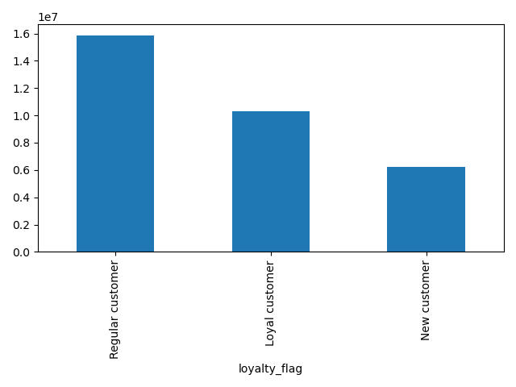

 | The marketing team is curious about the distribution of orders among customers in terms of loyalty. Create a bar chart from the loyalty_flag column.
 | Displays count of loyalty flags

 | We see that return customers make up over 4x the amount of orders than new customers. This needs to be considered for our marketing strategy and the allocation of money for new customer aquisition vs re-activation of existing customers.
 | Ideally we would know how many new customers turn into return customers, then we could plan it even better.

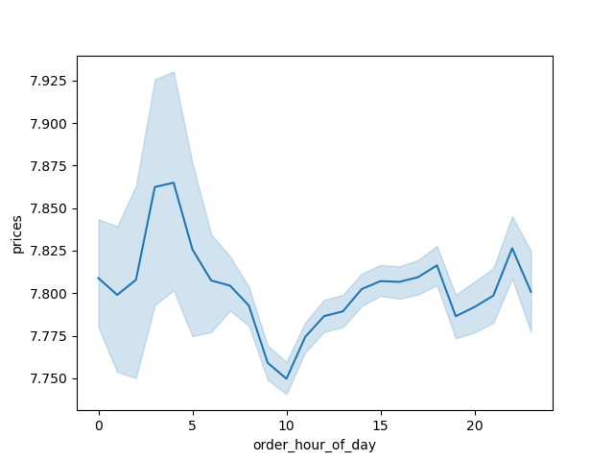

 | Check whether there's a difference in expenditure (the prices column) depending on the hour of the day.

 | There are differences in the average expenditure over the course of a day.
 | In the early morning hours between 02:00 and 05:00 people tend to buy higher priced items, maybe it's only deliberate purchases being made at that hour or people are less inhibited to buy a certain item bc they have been staying up for a long time (assuming our customers come from the same timezone).
 | There is a slump in the morning around 10:00 but the average item price slowly picks back up with a small peak around 17:00 and another one around 22:00. These times coincide with people leaving from work, maybe commuting home and being online again after dinner or an evenig with their kids.

 | This can be used to specify which products are being marketed during those hours

 | Now that you have information about customers, you need to conduct some exploratory analysis of customer demographics to inform the targeted marketing campaigns. First, determine whether there's a connection between age and family situation by creating a line chart exploring the connections between age and number of dependents: In a markdown cell beneath your line chart, describe what the line chart shows.
 | From the graph, we can't infer a clear relationship between age and the number of dependents

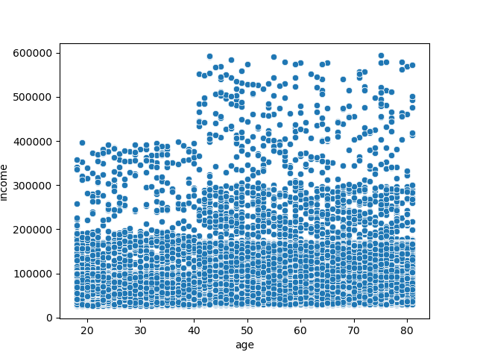

 | You'll also need to explore whether there's a connection between age and spending power (income). To visualize this relationship, create a scatterplot using the sns.scatterplot() function.

 | The scatterplot shows a lot of different unique values and it's unclear if there is a correlation.

 | Calculating the pearson correlation coefficient -> r = 0.417, p = 0 This means there is a statistically significant, moderate correlation.

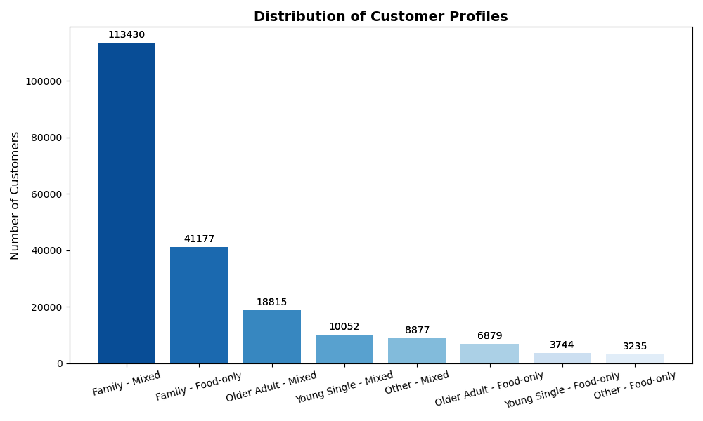
 | Create a Visualization for Profile Segments

 | We can see that our segmentation wasn't ideal. Therefore, this information is of relatively little practical use. In practice we would have to deep dive into the Family segment and break it up more, as it makes up so much of our customer base.

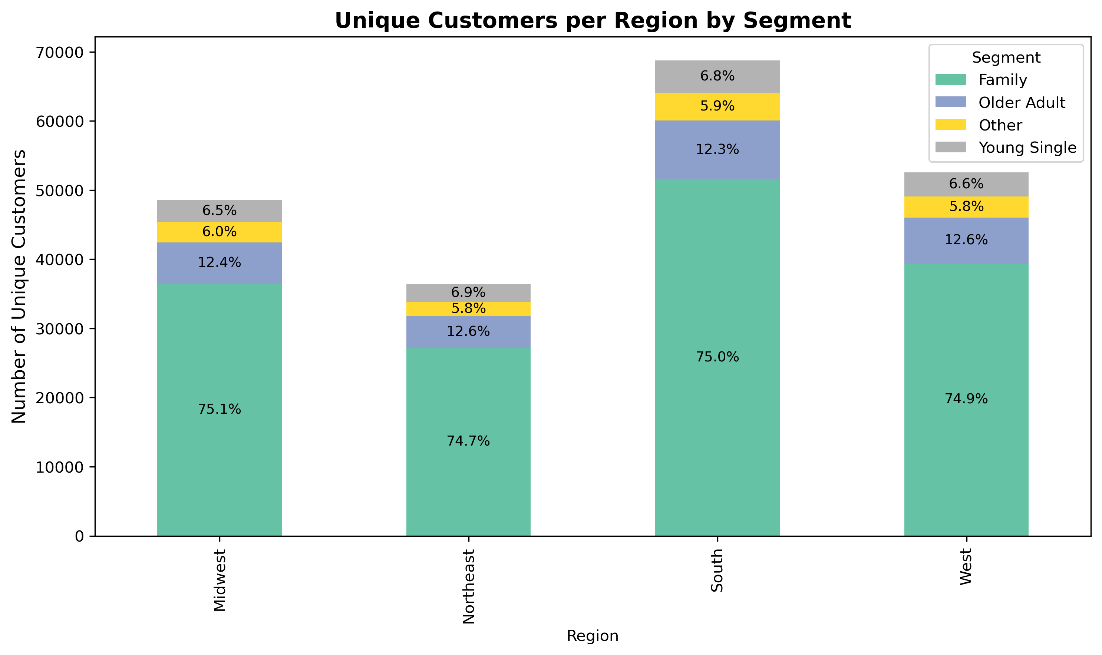

 | Compare your customer profiles with regions and departments. Can you identify a link between them? Customers may demonstrate different behaviors across regions, which could make this information important.

 | We can see the absolute and relative size of each segment in each region. We will skip the Other segment in our interpretation as it only served as a "catch all" group.

 | Family is by far the biggest group across all regions, accounting for 75% (+/- 0,25% Variance across regions).
 | Older Adults are second biggest with around 12,5% (+/- 0,2% Variance across regions).
 | Young singles only make up around 6.7% (+/- 0,2% Variance across regions).

 | In absolute numbers we can see that the southern region is the biggest with roughly 70k unique users, followed by West and Midwest with around 50k each. Northeast features the least customers, close to 40k users.

7. Recommendations
 | Title page

Recommendations

In this tab you should include any recommendations you would made to Instcart in terms of their marketing strategy based on the questions posed in the brief. Every key question has been covered in the Tasks of the Exercises - here you need to add an item - a visualisation or table/crosstable that is showing the answer in the data, acompanied by a comment from you. Please, list the questions below and add the answer underneath.

All recommendations are in the sheet "6. Visualizations"

